Indices

 | Iraq Stock Exchange
 | Bulletin No (186)

 | ISX Trading Indices of Sunday 19/10/2025

 | Traded Volume and OTC |  | 1,385,598,168 |  | Traded Value and OTC |  | 1,037,829,396 |  | Traders | 810
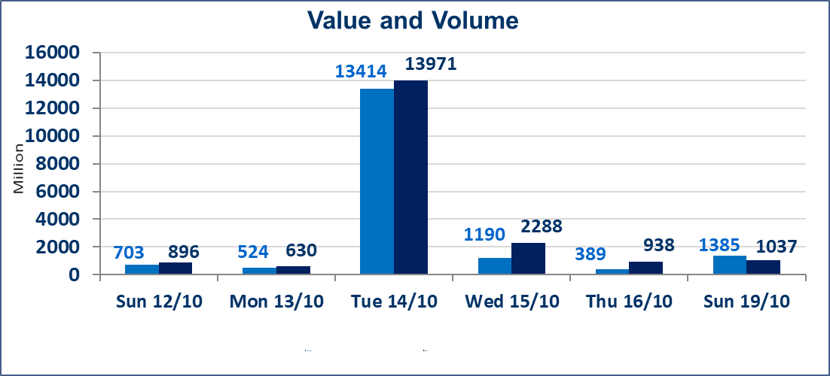
 | ISX Index 60 |  |  | 925.78 | ISX Index 15 |  |  | 1107.93
 | Previous ISX Index60 |  |  | 932.73 | Previous ISX Index15 |  |  | 1111.81
 | Change % |  |  | -0.75 | Change % |  |  | -0.35
 | Change |  |  | -6.95 | Change |  |  | -3.88

 | Listed Companies | 104 | OTC | 11 | Non Traded listed | 41 | OTC | 10
 | Traded Listed Companies | 49 | OTC | 0 | Higher Companies |  |  | 14
 | GAM Companies |  |  | 4 | Lower Companies |  |  | 19
 | Suspended Companies |  |  | 10
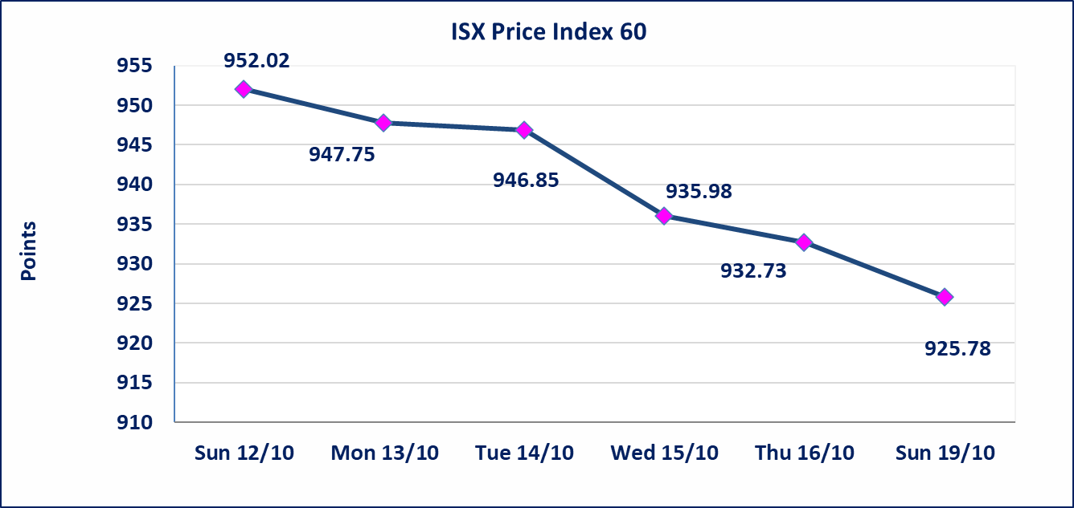
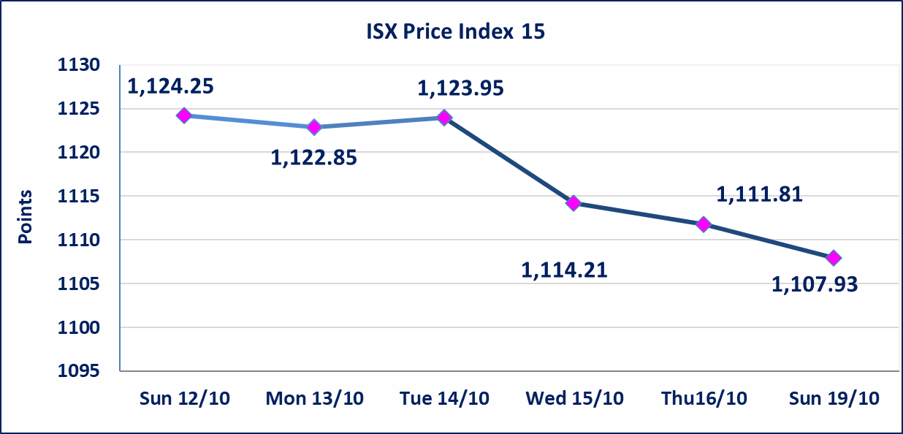

Al-Alwiya P.O . 3607 Mobile: 07711211522 - 07270094594 - 07834000034 E-mail: info-isx@isx-iq.net Web site:www.isx-iq.net

Top 5
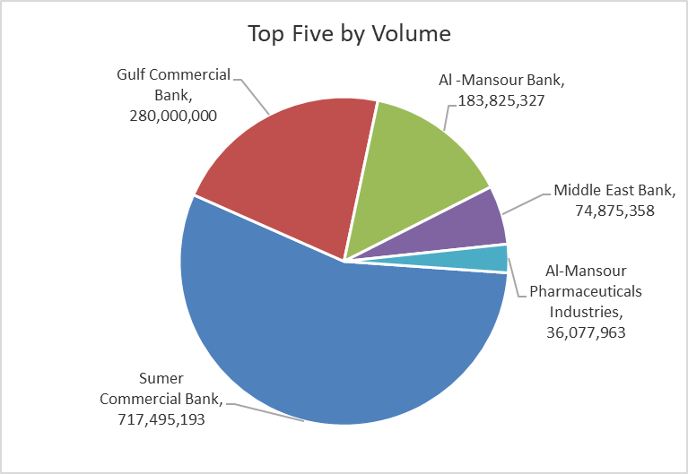
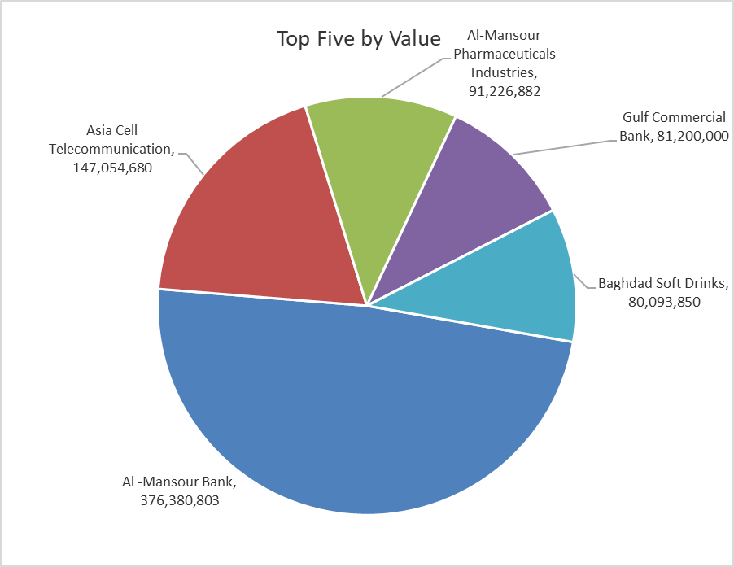
ISX top ganing and losing companies
Sunday 19/10/2025
Gainers |  |  |  | Losers
Company Name | Closing Price | Change (%) | Traded Volume | Company Name | Closing Price | Change (%) | Traded Volume
Al-Ameen Estate Investment | 1.690 | 12.67 | 2,100 | Iraq Noor Islamic Bank for Investment | 0.200 | -9.09 | 1,141,604
Sumer Commercial Bank | 0.090 | 12.50 | 717,495,193 | Elaf Islamic Bank | 0.310 | -6.06 | 161,390
Electronic Industry | 1.170 | 4.46 | 200,100 | Mansour Hotel | 36.250 | -4.61 | 161,000
Palestine Hotel | 28.300 | 4.43 | 1,660,000 | Investment Bank of Iraq | 0.210 | -4.55 | 3,127,790
Modern Construction Materials | 0.520 | 4.00 | 3,913,217 | Ashur International Bank | 0.240 | -4.00 | 15,000,000

The most active companies in term of traded volume and value

Traded Volume |  |  |  | Traded Value
Company Name | Closing Price | Change (%) | Traded Volume | Company Name | Closing Price | Change (%) | Traded Value
Sumer Commercial Bank | 0.090 | 12.50 | 717,495,193 | Al -Mansour Bank | 2.050 | -0.49 | 376,380,803
Gulf Commercial Bank | 0.290 | -3.33 | 280,000,000 | Asia Cell Telecommunication | 11.830 | -0.34 | 147,054,680
Al -Mansour Bank | 2.050 | -0.49 | 183,825,327 | Al-Mansour Pharmaceuticals Industries | 2.520 | -1.18 | 91,226,882
Middle East Bank | 0.060 | 0.00 | 74,875,358 | Gulf Commercial Bank | 0.290 | -3.33 | 81,200,000
Al-Mansour Pharmaceuticals Industries | 2.520 | -1.18 | 36,077,963 | Baghdad Soft Drinks | 4.450 | -1.98 | 80,093,850

Non Iraqis

Iraq Stock Exchange
Non Iraqis' Bulletin Sunday Oct 19 2025
Regular Market

Non Iraqi Trading of Regular Market (Buy)
Company Names | Code | No.of trades | Traded Shares | Trading Volume
Banks Sector
National Bank Of Iraq | BNOI | 6 | 1,250,000 | 5,209,821
Gulf Commercial Bank | BGUC | 1 | 10,000,000 | 2,900,000
Al-Mansour Bank | BMNS | 15 | 50,566,454 | 103,664,946
Total Bank sector |  | 22 | 61,816,454 | 111,774,767
Grand Total |  | 22 | 61816454 | 111774767

Non Iraqi Trading of Regular Market (Sell)
Company Names | Code | No.of trades | Traded Shares | Trading Volume
Banks Sector
Al-Mansour Bank | BMNS | 24 | 50,000,000 | 102,500,000
Total Bank sector |  | 24 | 50,000,000 | 102,500,000
Grand Total |  | 24 | 50000000 | 102500000

